Last Refresh Date & Time
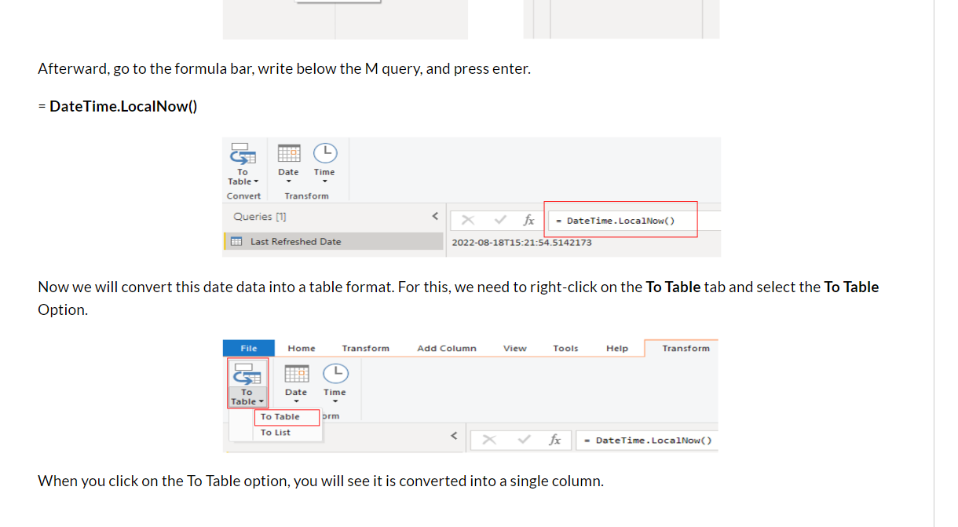
How to Show Last Refresh Date in Power BI
https://blogs.perficient.com/2022/08/24/how-to-show-last-refresh-date-in-power-bi/

= #table(type table[Date Last Refreshed=datetime], {{DateTime.LocalNow()}})

Datediff()
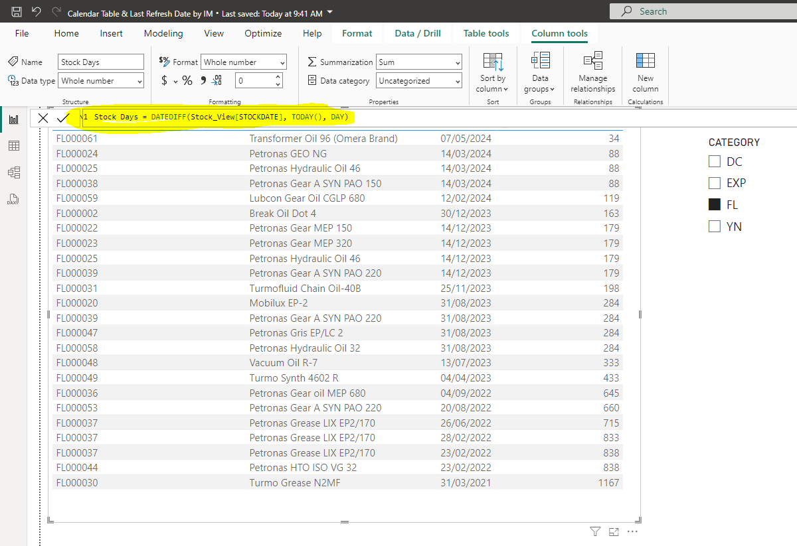
Power BI Date Function DateDiff - How to find the days or months or year between two dates
https://www.youtube.com/watch?v=Mx61QIe40nw

What is a datediff() function?
Remarks. You can use the DateDiff function to determine how many specified time intervals exist between two dates. For example, you might use DateDiff to calculate the number of days between two dates, or the number of weeks between today and the end of the year.

Relation of BI DAX
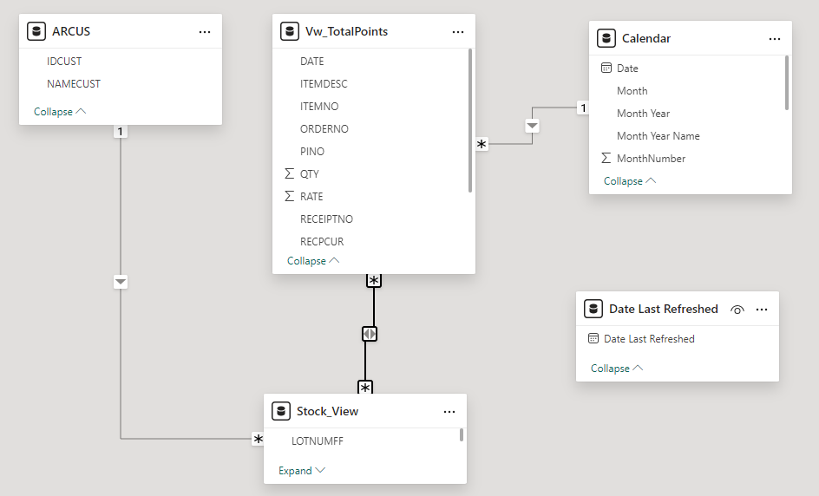
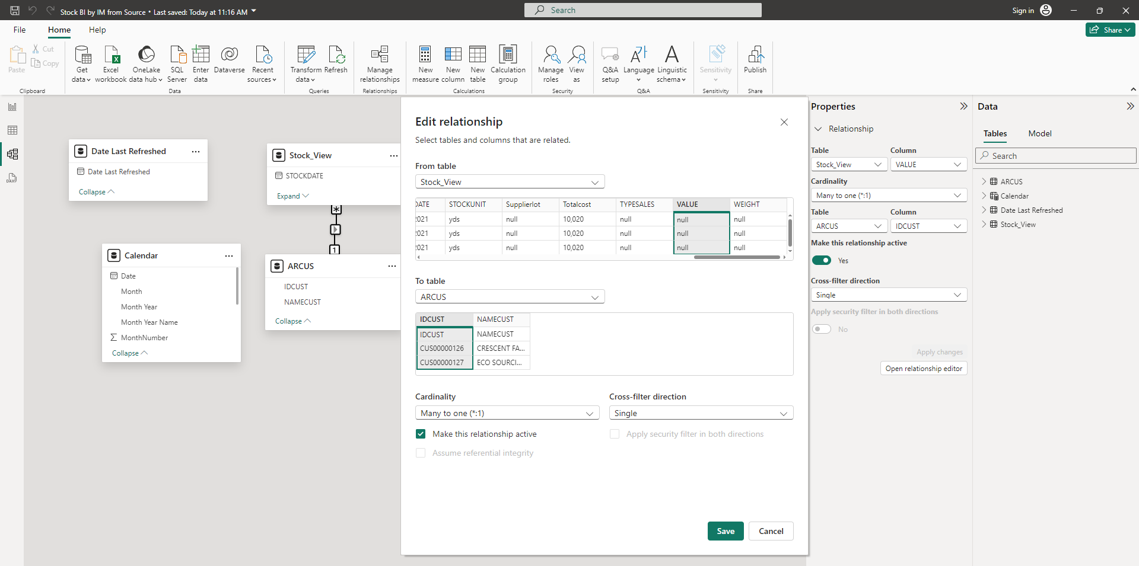
Create and manage relationships in Power BI Desktop
https://learn.microsoft.com/en-us/power-bi/transform-model/desktop-create-and-manage-relationships

Edit Interaction
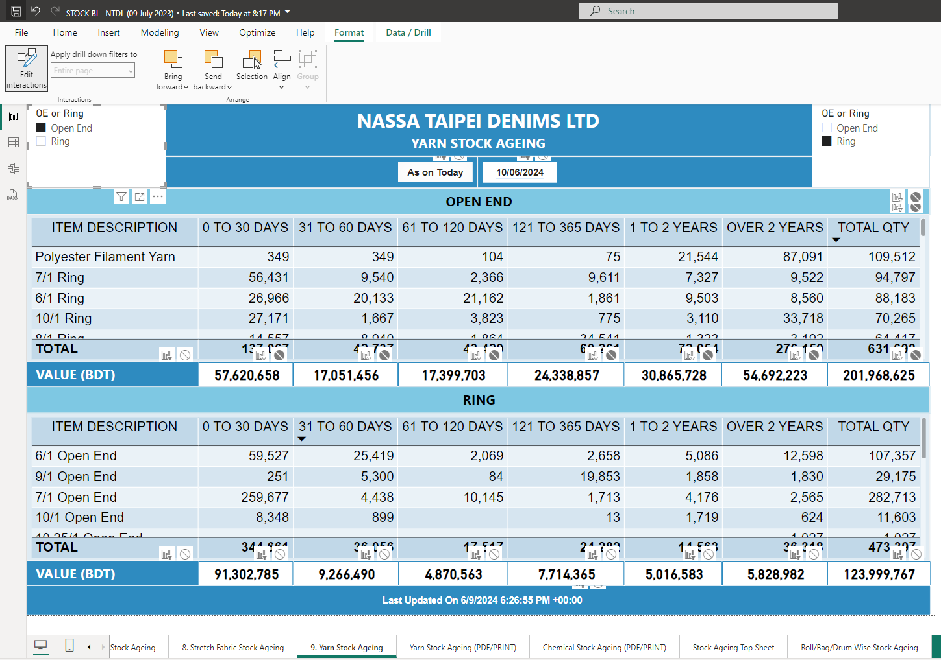
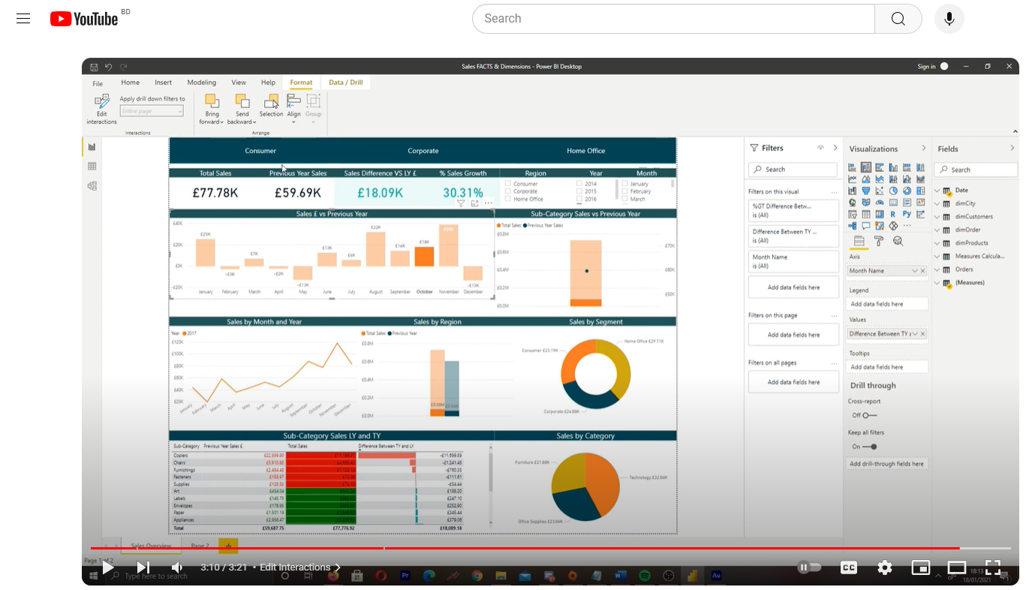
How to Edit Interactions Between Visuals in Power Bi
https://www.youtube.com/watch?v=ENuG2F-tce0
In this video we will cover how to edit interactions between visuals in Power BI. We will cover how to cross highlight and how to filter visuals based on selections made in other visuals.

